SAMPLE
HERE IS THE SAMPLE AGING REPORT ELPASED MONTH. OPEN THIS FILE HERE

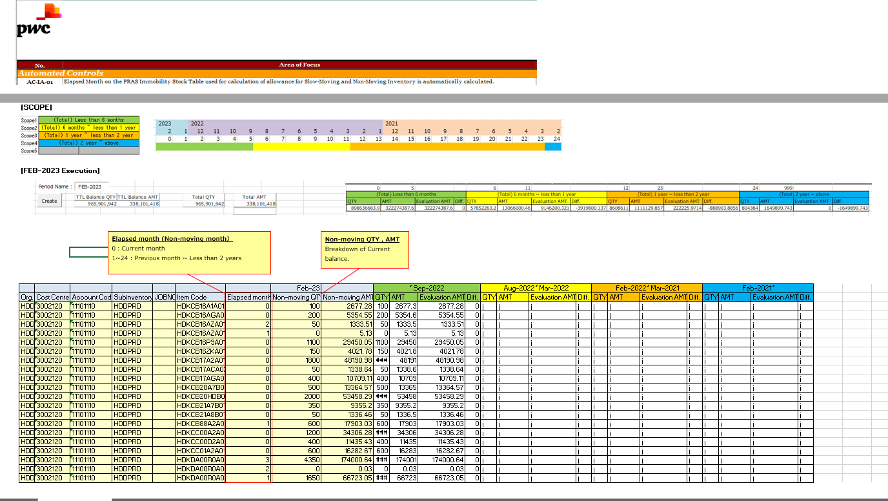

 | Note: all highlighted in red should be replaced with the newly generated data.

